Main
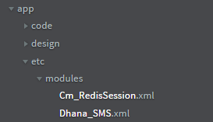
1 | app/etc/modules

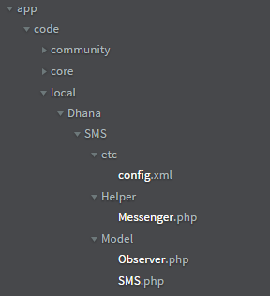
2 | app/code/local

3 | in admin panel create a template shown below - template name and variable names are very important

 |  | 1.System => Transactional Emails

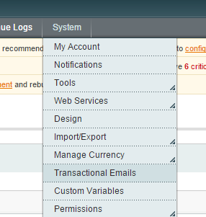

 |  | 2

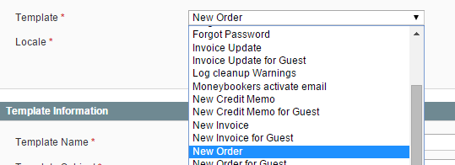
 |  | 3

 |  | 4

 |  | 5

 |  | 6 | Remove template content and replace it with plain text

 |  |  | variables order_id and store_name are to be named the same way

 |  | 7 | Convert to Plain text and then Save Template

 |  |  | Check sheet "Templates" and create those email temapltes with exact same code and variable names

 |  | 8 | Clear cache login and order something!

 |  |  | Make sure to enter the mobile numnber in billing address

 |  |  | No checks are implemented yet

